Sheet1
Impedance Worksheet
EchoPilot SBX MIPI/USB3 Payload Board
Note: Impedance controlled traces can be identified using the unique trace widths specified below.

USB | Target 90
Type | Diff Pair
Routing Layer | Reference | Stackup Space | Width | Spacing
L1 | L2 | 0.11 | 5.7 | 5
L6 | L5 | 0.11 | 5.7 | 5
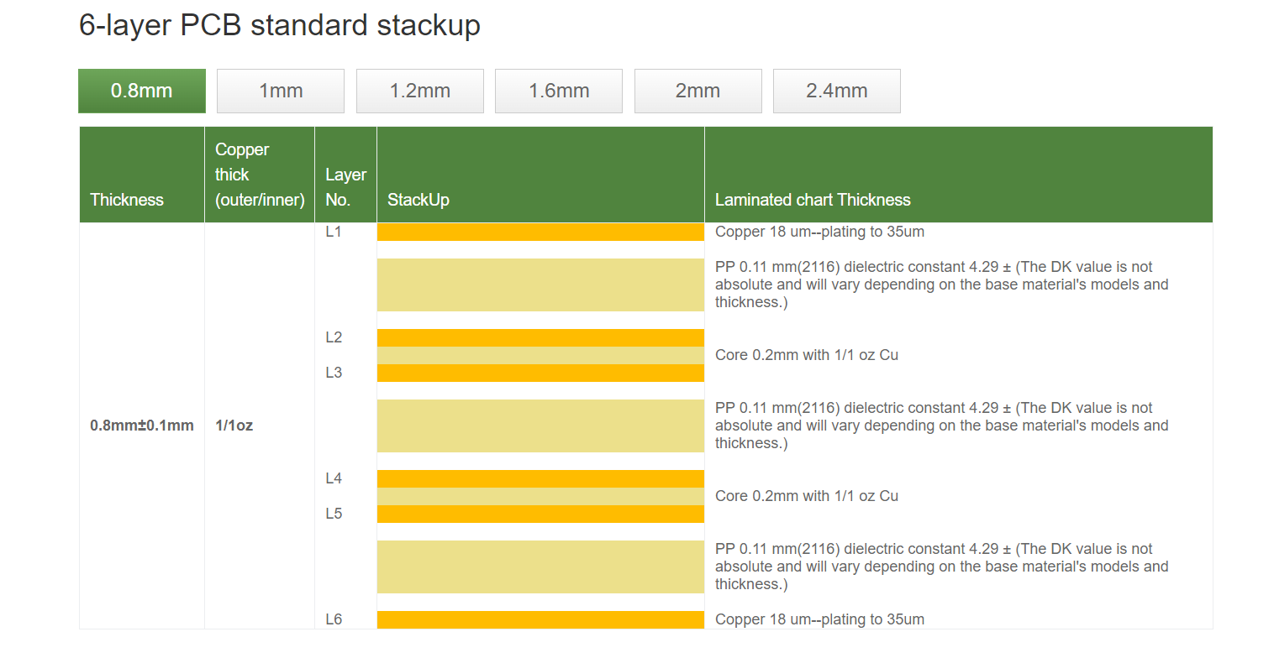

Ethernet | Target 100
Type | Diff Pair
Routing Layer | Reference | Stackup Space | Width | Spacing
L1 | L2 | 0.11 | 5.2 | 6.8
L6 | L5 | 0.11 | 5.2 | 6.8

MIPI | Target 100
Type | Diff Pair
Routing Layer | Reference | Stackup Space | Width | Spacing
L1 | L2 | 0.11 | 5.2 | 6.8
L3 | L2 | 0.2 | 4.4 | 9.9
L4 | L5 | 0.2 | 4.4 | 9.9
L6 | L5 | 0.11 | 5.2 | 6.8

